Sheet1
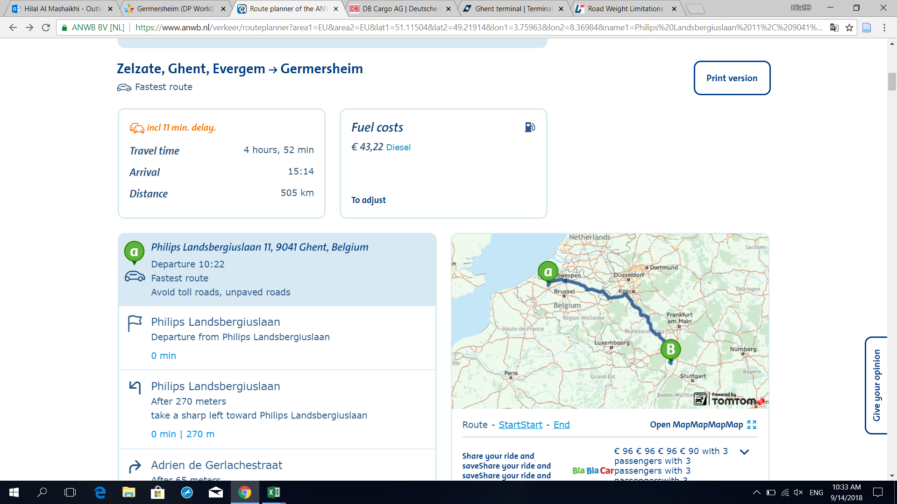
Country | 20'DC | 40'DC/HC | 45'HCPW |  | T | R | U | C | K
Belgium | 23,000 | 26,000 | 26,000
Czech Republic* | 24,500 | 22,500 | 22,000 |  |  |  |  |  |  | Exceptions:
Denmark | 24,000 | 26,600 | 28,500 |  |  |  |  |  |  | Baltic States | Up to 26MT payload is accepted against a surcharge.
Estonia* | 24,000 | 24,000 | 23,500 |  |  |  |  |  |  | Czech Republic | Payload For Rail/Truck: 28,5 MT/20’ - 28,5 MT/40’ - 29,5 MT/45’
Finland | 28,250 | 26,600 | 28,500 |  |  |  |  |  |  | Germany | Payload 26 MT/container is possible if containers are carried to/from port via hinterland rail- or barge terminal in combined transport (max 150 km air distance between Place of Receipt/Delivery and port). Same air distance and payload applies for trucking from/to port.
France | 22,000 | 23,000 | 23,000 |  |  |  |  |  |  | Poland | Payload 25,5 MT/container is possible if containers are carried to/from port via hinterland rail terminal in combined transport (max 150 km air distance between Place of Receipt/Delivery and rail hub). Same air distance and payload applies for trucking from/to port.
Germany* | 24,500 | 22,500 | 22,000 |  |  |  |  |  |  | Slovakia | Payload For Rail/Truck: 28,5 MT/20’ - 26,5 MT/40’ - 26,0 MT/45’
Ireland | 26,000 | 26,000 | 26,000
Italy | 24,000 | 26,600 | 26,000
Latvia* | 24,000 | 23,000 | 22,000 |  |  |  |  |  |  | TRUCK AVERAGE SPEED IS 60KMH
Lithuania* | 24,000 | 23,000 | 22,000
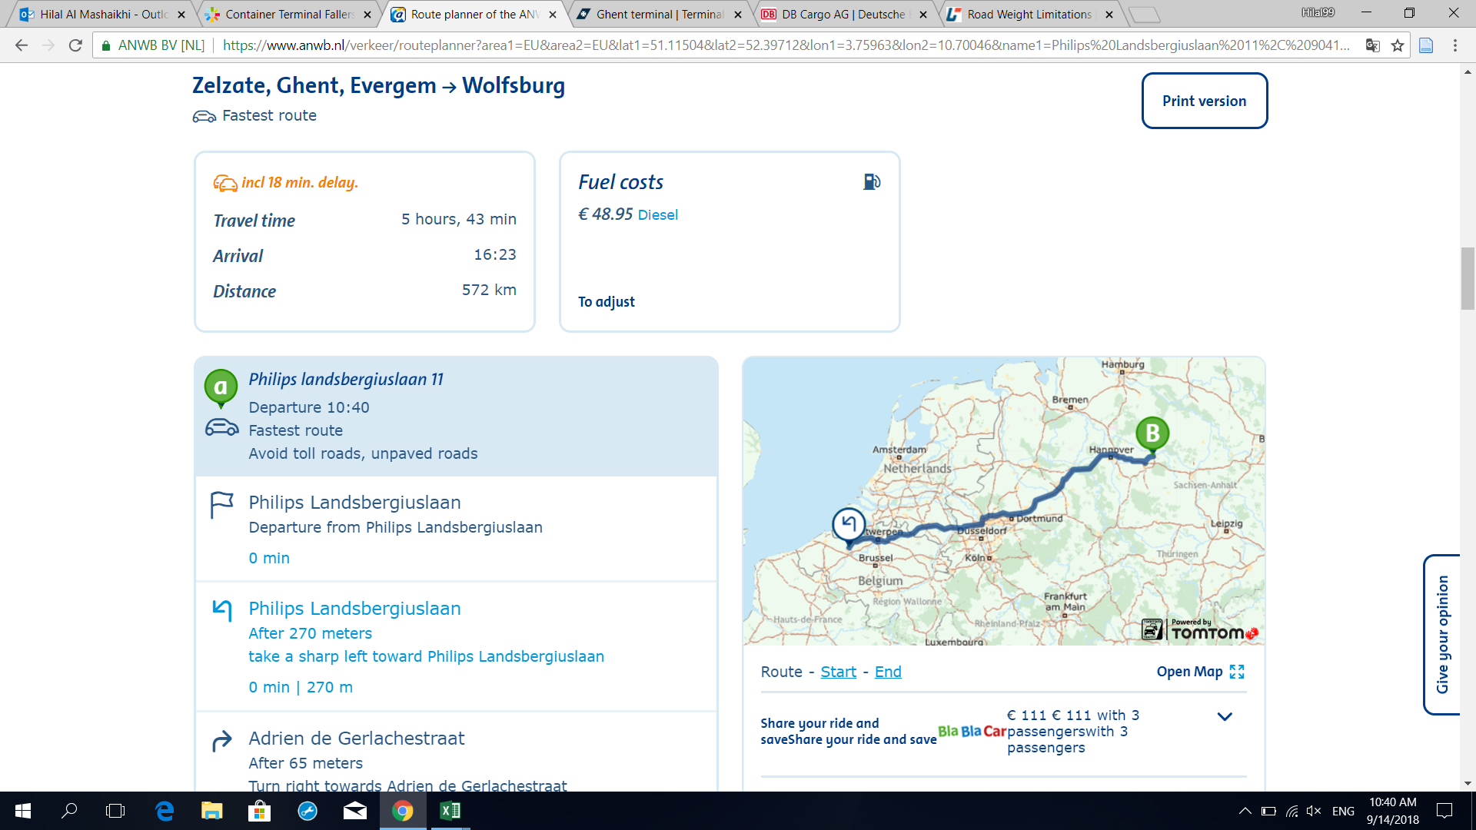
Norway | 28,250 | 26,600 | 28,500
Poland* | 22,000 | 22,000 | 22,000
Portugal | 23,000 | 25,500 | 25,500
Russia | 21,000 | 21,000 | 21,000
Slovakia* | 24,500 | 22,500 | 22,000
Spain | 24,500 | 24,500 | 24,500
Sweden | 28,250 | 26,600 | 28,500
The Netherlands | 28,250 | 26,600 | 28,500
UK | 26,000 | 26,000 | 26,000

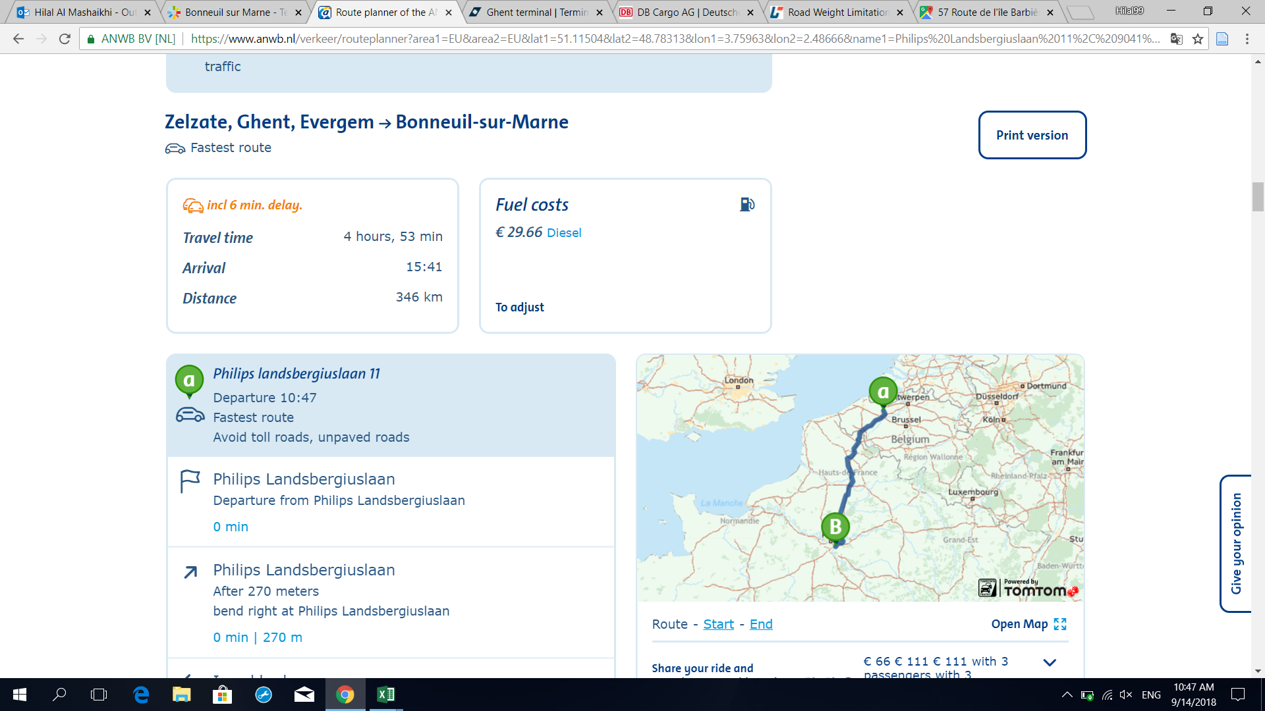

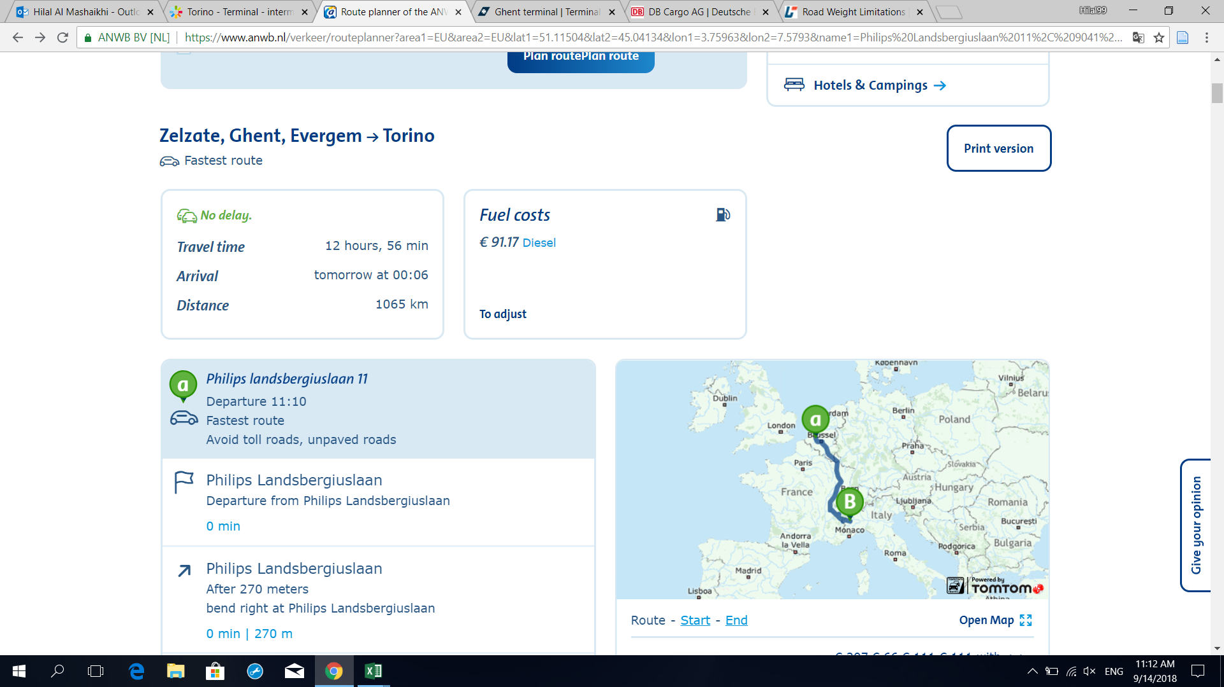

 |  |  |  | ( through luxembourg and france)

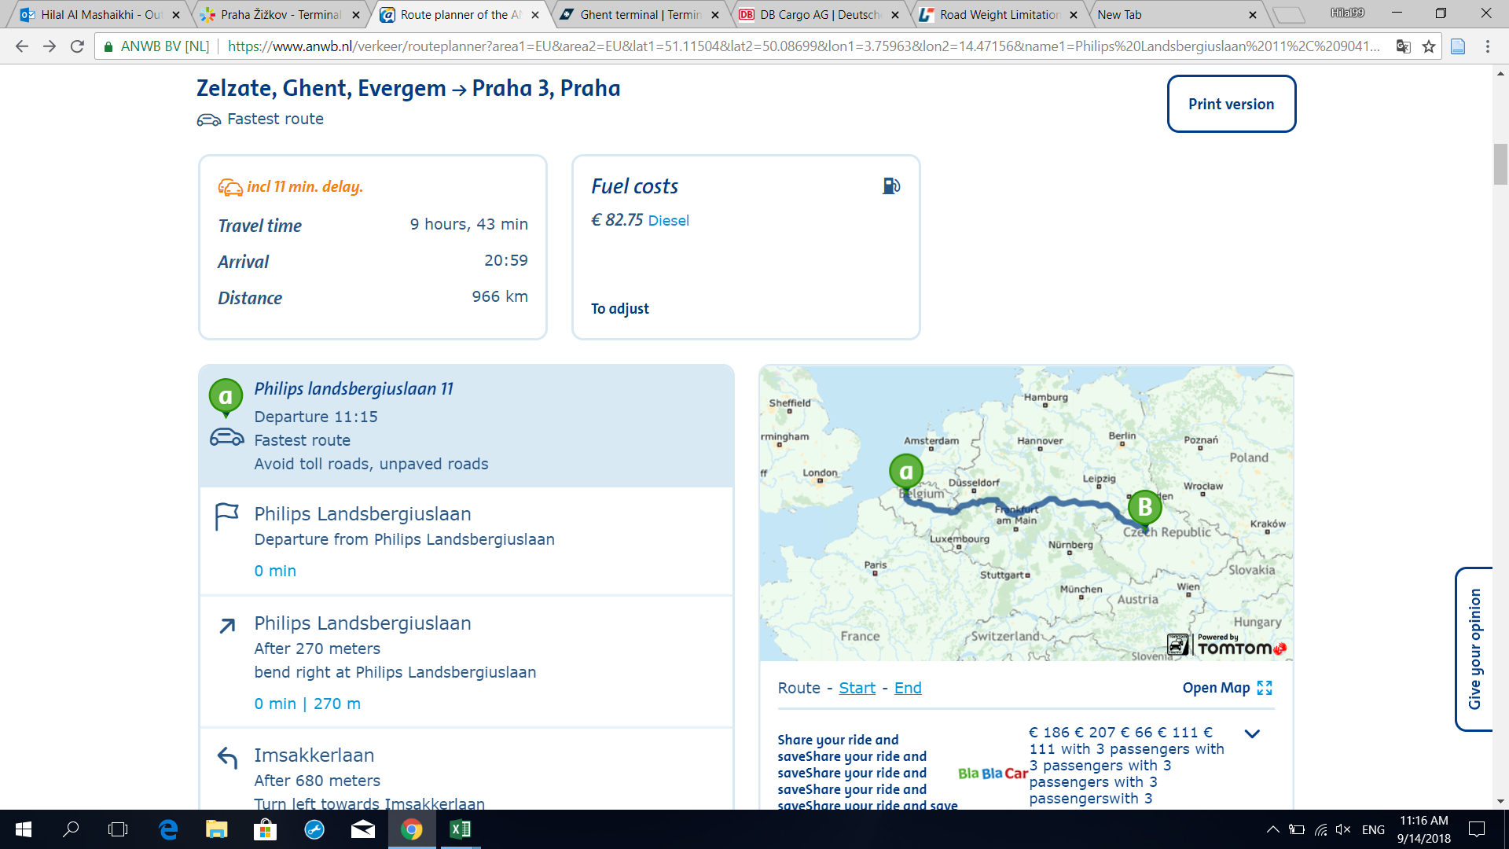

 |  |  |  | (through germany)

